Sheet1
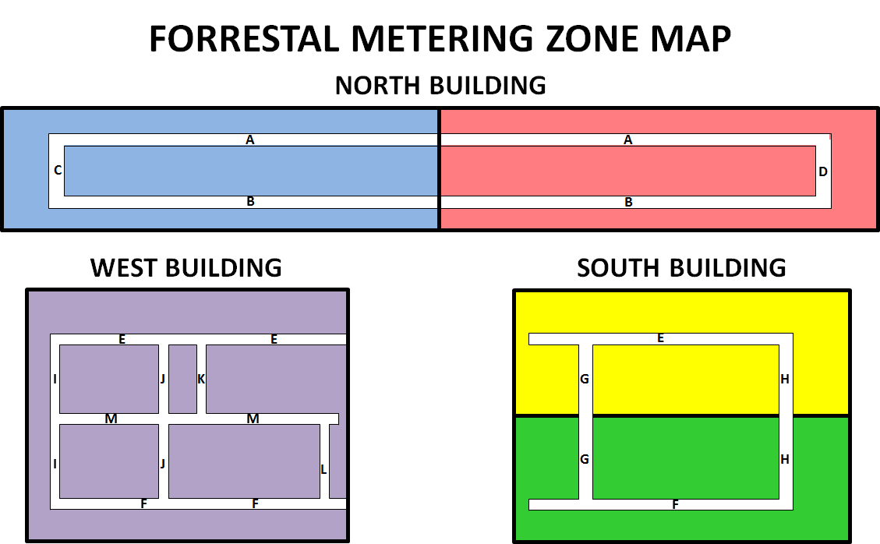
Forrestal Building Sub Metering Data Reference Guide

Point Name | Midnight Nov 12, 2014* |  | Midnight Nov 13, 2014* |  | KWh Used at Point | KWh Used in Zone | Zone Description
 | Consumptn Hi | Consumptn Lo | Consumptn Hi | Consumptn Lo
NZB12 | 741,376.00 | 1,023.00 | 741,376.00 | 1,578.50 | 555.50 | 5,193.30 | North Building West Side
NZB13 | 1,216,512.00 | 623.00 | 1,216,512.00 | 1,480.00 | 857.00
NZB14 | 765,952.00 | 2,495.00 | 765,952.00 | 3,052.00 | 557.00
NZB17 | 2,551,808.00 | 3,945.00 | 2,555,904.00 | 1,705.00 | 1,856.00
NZBA22 | 356,515.81 | 878.40 | 356,515.81 | 1,203.20 | 324.80
nzb23 | 655,360.00 | 3,091.00 | 655,360.00 | 3,597.00 | 506.00
NZB28 | 679,936.00 | 2,375.00 | 679,936.00 | 2,912.00 | 537.00
NZA12 | 868,352.00 | 3,684.00 | 872,448.00 | 260.00 | 672.00 | 3,799.50 | North Building East Side
NZA13 | 622,592.00 | 3,839.00 | 626,688.00 | 302.00 | 559.00
NZA14 | 909,312.00 | 3,492.00 | 913,408.00 | 115.00 | 719.00
NZA17 | 1,243,136.00 | 986.00 | 1,243,136.00 | 1,809.50 | 823.50
NZA22 | 368,640.00 | 1,062.50 | 368,640.00 | 1,346.00 | 283.50
NZA23 | 989,184.00 | 1,733.50 | 991,232.00 | 428.00 | 742.50
SZD11 | 3,891,200.00 | 8,177.00 | 3,899,392.00 | 2,642.00 | 2,657.00 | 7,390.00 | South Buiding North Side
SZD12 | 3,104,768.00 | 3,793.25 | 3,104,768.00 | 6,108.25 | 2,315.00
SZD14 | 3,256,320.00 | 6,251.25 | 3,256,320.00 | 8,669.25 | 2,418.00
SZE13 | 3,170,304.00 | 5,684.50 | 3,170,304.00 | 8,028.25 | 2,343.75 | 6,660.50 | South Building South Side
SZE14 | 3,088,384.00 | 6,566.25 | 3,096,576.00 | 877.75 | 2,503.50
SZE22 | 2,482,176.00 | 4,930.75 | 2,482,176.00 | 6,744.00 | 1,813.25
WZC11 | 441,712.63 | 499.20 | 441,712.63 | 784.00 | 284.80 | 2,936.64 | West Building
WZC12 | 785,121.25 | 1,007.20 | 786,431.94 | 272.00 | 575.49
WZC14 | 663,224.25 | 406.40 | 663,224.25 | 928.00 | 521.60
WZC22 | 420,741.09 | 928.00 | 420,741.09 | 1,216.80 | 288.80
WZC24 | 635,699.13 | 1,168.80 | 637,009.88 | 316.80 | 458.75
WZC25 | 1,047,265.25 | 72.00 | 1,047,265.25 | 879.20 | 807.20

*Note: CSV files contain data from the previous day (e.g. Nov 12 2014 data is in the file: DEM_Report_11-13-14.csv)

